Instructions
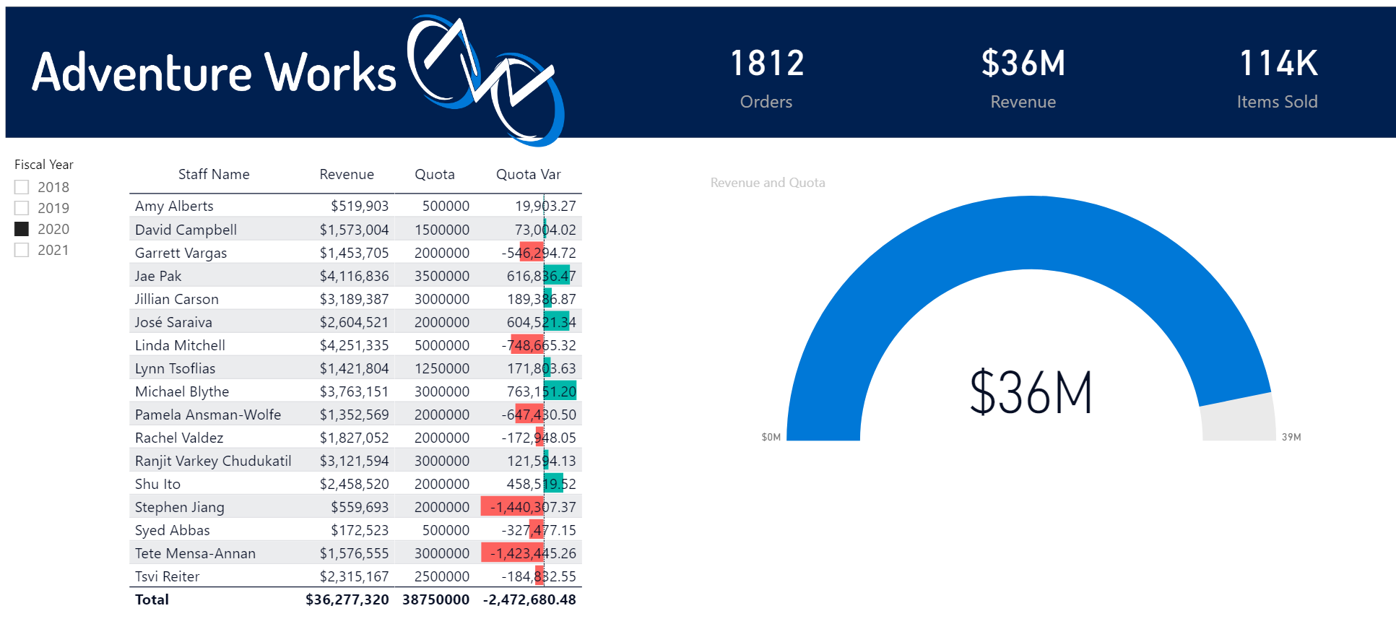

 |  | Excel Skills for Data Analytics and Visualization
 |  | Course 3 - Excel Power Tools for Data Analysis

 |  | Week 4 Practice Challenge

Instructions
Open the Power BI file called Sales Report with Quotas.pbix. It is the same as the file we created this week in the practice videos, but we are now going to add one more page to analyse how our revenue compares to the sales quotas set for staff.

1) | Import the Excel file called Quotas.
2) | Go to the Model view. If Power BI has added a relationship between the Quotas and Orders, delete it, then add a relationship to link Sales Person ID on the Quotas table to Employee ID on the Staff table. (Note the cardinality of this relationship is one-to-one).
3) | In Report view create a new measure called Quota to sum SalesQuota on the Quotas table.
4) | Add a new page called Quotas by duplicating one of the existing pages. Remove the content, leaving the headers, cards, and slicer.
5) | Add a Gauge Chart. Put Revenue in the Value field and Quota in the Maximum field. Select different years using the slicer.
 | When you select 2020 your gauge chart should look like this:
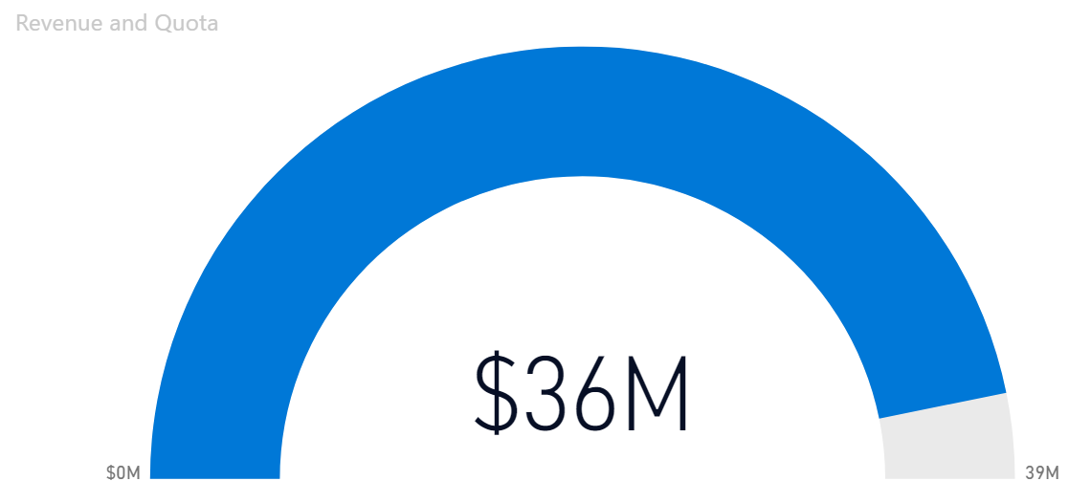

6) | In Data view click on the Staff table and click into one of the columns. Add a calculated column called Staff Name that combines First Name and Last Name separated by a space. |  | Hint
7) | In Report view drag Staff Name onto the canvas to create a table. Add Revenue and Quota to the table.
8) | On the Quotas table add a new measure called Quota Var which subtracts Quota from Revenue. Add Quota Var to the table visualisation. |  | Hint
9) | With the table visual still selected add Data Bars Conditional formatting to the Quota Var column.

 | Your finished report page should look like this:

